Reference1
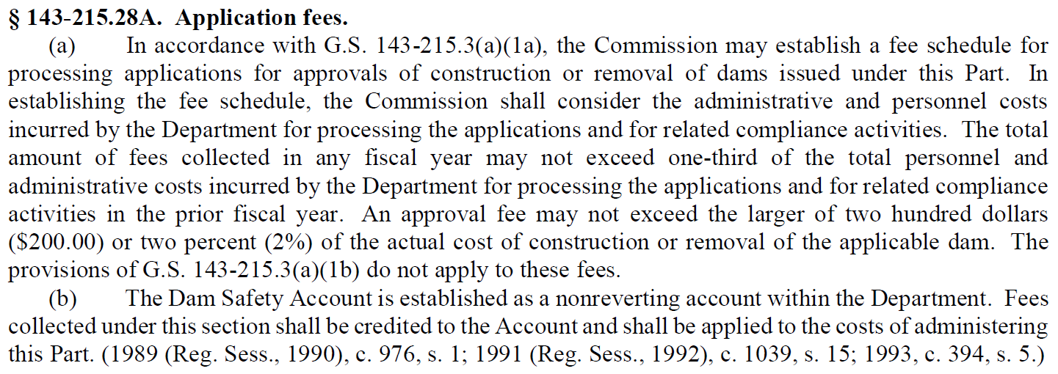
Dam Safety Law of 1967

Reference2
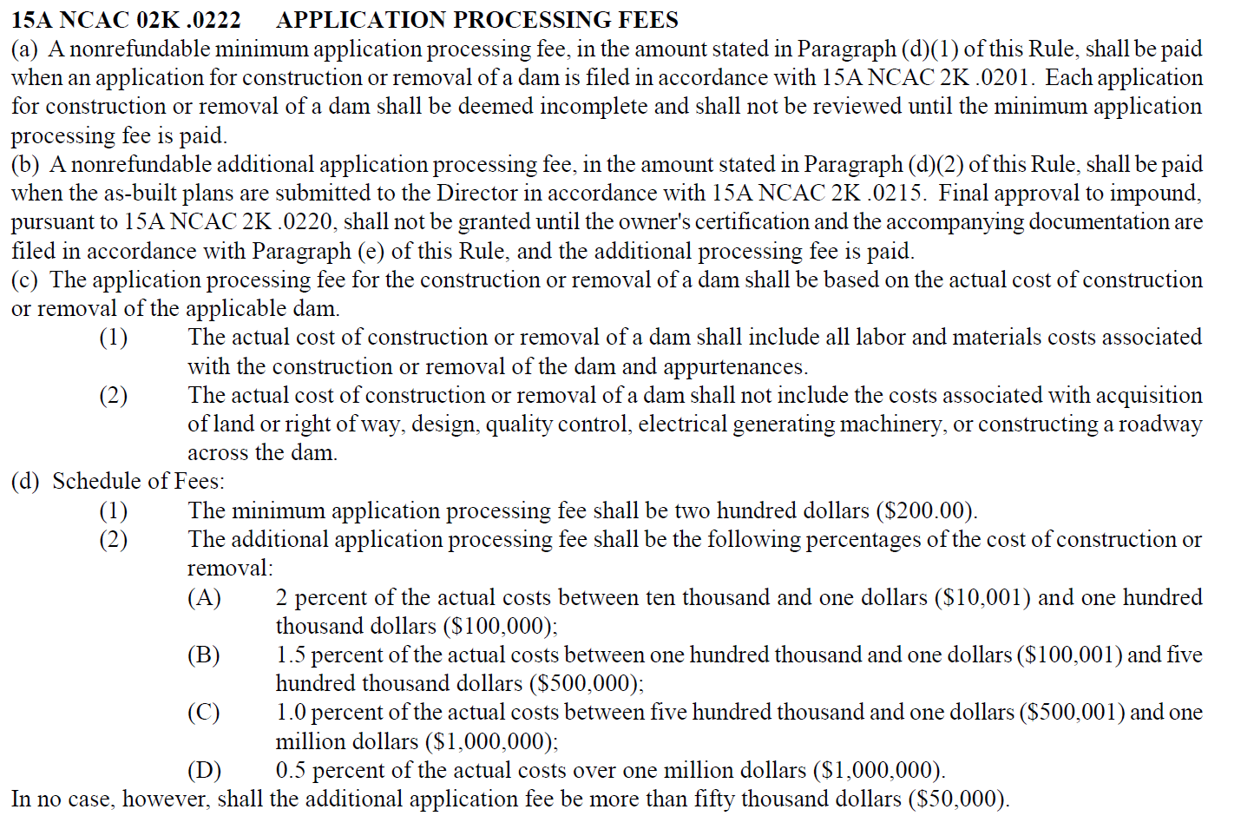
NC Dam Safety Administrative Code - Subchatper 2K Dam Safety

Reference3
