Affordability Calculator
NC Division of Water Infrastructure Fall 2022 Affordability Calculator |  |  |  |  | ← Complete data entry cells in yellow
Updated 8/8/2022. This tool can be used by Applicants to determine eligibility for grant/principal forgiveness funding and to complete the affordability calculations in the application for funding.

Enter Name of Applicant:

STEP 1: Applicant's Designation and Assessment Criteria Score
Select Applicant from menu: |  |  | If applying for a project with more than one local government unit, select the local government that is either designated as distressed or has the greatest VUR Assessment Criteria score.
Designated as "Distressed" in accordance with NCGS 159G-45?
Max VUR Assessment Criteria Score (2021 and 2022):
Wholesale-only service provider?
Complete Step 1. Select 'Not Listed' if cannot find your utility in the menu.

STEP 2: Residential Connections |  |  |  |  |  |  |  |  |  | 1 = Pass
 |  | How many residential connections does your system contain? |  | Enter number of residential connections for the water system or the wastewater system, depending on your application's project (DW or WW). |  |  |  |  |  | 0 = Fail

STEP 3: Local Government Unit (LGU) Economic Indicators |  |  |  |  |  |  |  |  | SRF Principal Forgiveness / SRP (non-ARPA) eligibility
Enter your local government unit parameters and service area coverage as shown below. Select local government(s) in your service area.
 |  |  |  |  |  |  |  |  |  |  | Running Total
Select LGU from menu → |  |  |  |  |  |  |  |  |  | Pass/Fail | Pass/Fail | 0 | ← Is Step #1 Completed?
Enter name of LGU (if not listed above) → |  |  |  |  | Total: |  | State Benchmarks are: | Worse than State Benchmark? | Step #2: | 0 | - | 0 | ← Is Step #2 Completed?
LGU Coverage (% of service area) | 100% |  |  |  | 100% |  |  |  | Step #3: | 0 | 0 | 0 | ← Is Step #3 Completed?
Population: |  |  |  |  |  |  |  |  | Step #4: | 0 | 0 | 0 | ← Is Step #4 Completed?
Population Change |  |  |  |  |  | <= | 4.48% |  | Step #5: | 0 | 0 | 0 | ← Is Step #5 Completed?
Poverty Rate |  |  |  |  |  | >= | 14.0
Median Household Income |  |  |  |  |  | <= | $56,642
Unemployment Rate |  |  |  |  |  | >= | 7.1 |  | ARPA eligibility type for construction projects
Total Appraised Value of Property
Calculated Prop. Val. per Capita | $0 | $0 | $0 | $0 | $0 | <= | $125,015 |  |  |  |  |  |  | Pass/Fail
 |  |  |  |  | # of Indicators worse → than State Benchmark |  |  | 0 |  |  |  |  | VUR / Distressed? | 0
 |  |  |  |  |  |  |  |  |  |  |  |  | Non-wholesale, Assessment Score >=6, LGU indicators >=3? | 0
STEP 4: Existing Revenues |  |  |  |  |  |  |  |  |  |  |  |  | Non-wholesale, resid. connections between 1 - 1000, LGU indicators >=3? | 0
Enter the following information below. |  |  |  |  |  |  |  |  |  |  |  |  | All others | -1
Operating RevenuesWater & Sewer:
Total ExpendituresWater&Sewer: |  |  |  |  |  |  |  |  | Determination |  | Complete the steps above to determine eligibility for ARPA grants in the Viable Utility Reserve or for At-Risk Systems.
Debt PrincipalWater&Sewer:
InterestWater&Sewer: |  |  |  |  |  |  |  |  | Alternative texts
Project Cost: |  |  |  |  |  |  |  |  | ARPA grants are administered through the Viable Utility Reserve and the State Reserve Program. Only local government units and non-profit water corporations are eligible recipients of ARPA grants. All eligible recipients are eligible for ARPA funds for planning and study grants. Some eligible recipients will qualify for ARPA funds for construction projects reserved either for utilities designated as distressed or At-Risk Systems (see determination below). In the Fall 2022 funding round, there are no more ARPA grant funds available to "all other systems". ARPA funding is up to 100% grant and is not subject to the percentage limits of the Affordability Criteria for SRF Principal Forgiveness/SRP grant eligibility below. ARPA funds are subject to funding availability and limits specified in the Administration Plan.
Calculated Operating RatioFuture:

Step 5: Water/Sewer Utility Information |  |  |  | Current monthly bill for 5,000 gallons:
Combined water and sewer provider, or single service? |  |  |  | Water Rate | Sewer Rate |  |  |  | ARPA grants are administered through the Viable Utility Reserve and the State Reserves. Local government units designated as distressed are eligible for construction and planning/study grants from the Viable Utility Reserve. Local government utilities that meet the categorization for At-Risk Systems are eligible for construction grants from ARPA funds reserved for At-Risk Systems. In addition, all local government utilities and non-profit water corporations are eligible for ARPA funds for planning/study grants, and for At-Risk System funds for construction projects that primarily connect existing residences in disadvantaged, underserved areas to water/wastewater systems. In the Fall 2022 funding round, there are no ARPA funds available for construction projects for all other systems. See your determination below. ARPA funding is up to 100% grant and is not subject to the percentage limits of the Affordability Criteria for SRF Principal Forgiveness/SRP grant eligibility. ARPA funds are subject to funding availability and limits specified in the Administration Plan.
Is your project a water or wastewater project? |  |  |  | $0.00 | $0.00
"Effective" combined water & sewer bill for 5,000 gallons:

Number of non-residential connections: |  | 0
Calculated total number of connections: |  | 0

 | Project cost per connection per month:

Eligibility for American Rescue Plan Act (ARPA) Grant Funding
ARPA grants are administered through the Viable Utility Reserve and the State Reserves. All local government utilities and non-profit water corporations are eligible recipients of ARPA grants for planning/study projects. Local government units designated as distressed or categorized as At-Risk Systems are eligible for ARPA grants for construction projects (see your eligibility below). Additionally, all local government utilities and non-profit water corporations are eligible recipients of ARPA grants for construction if the project is primarily to provide service to disadvantaged, underserved areas. ARPA funding is up to 100% grant and is not subject to the percentage limits of the Affordability Criteria for SRF Principal Forgiveness/SRP grant eligibility. ARPA funds are subject to availability and limits specified in the Administration Plan.

See the ARPA Administration Plan on the Division's website for more details.

Complete the steps above to determine eligibility for ARPA grants in the Viable Utility Reserve or for At-Risk Systems.

Eligibility for State Revolving Fund (SRF) Principal Forgiveness and State Reserve Program Grants (not ARPA-funded)
Eligibility is limited by the percentage below, funding request amount, caps on SRF principal forgiveness or SRP grants based on project type, and PF or grant availability.
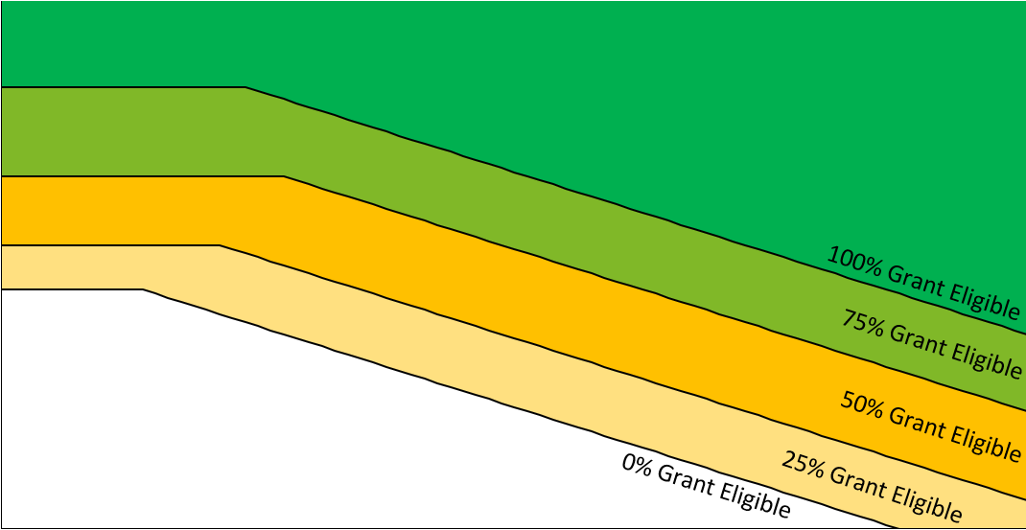
Chart for SRF Principal Forgiveness/SRP Grant Eligibility Determination
 | Applicant |  | Representative LGU Data
#N/A | #N/A | #N/A | #N/A
 |  | #N/A | #N/A
 |  | #N/A | #N/A
 |  | #N/A | #N/A
 |  | #N/A | #N/A
 |  | #N/A | #N/A
 |  | #N/A | #N/A
 |  | #N/A | #N/A
 |  | #N/A | #N/A
 |  | #N/A | #N/A
 |  | #N/A | #N/A
 |  | #N/A | #N/A
 |  | #N/A | #N/A
 |  | #N/A | #N/A
 |  | #N/A | #N/A
 |  | #N/A | #N/A
 |  | #N/A | #N/A
 |  | #N/A | #N/A
 |  | #N/A | #N/A
 |  | #N/A | #N/A
 |  | #N/A | #N/A
 |  | #N/A | #N/A
 |  | #N/A | #N/A
 |  | #N/A | #N/A
 |  | #N/A | #N/A
 |  | #N/A | #N/A
 |  | #N/A | #N/A
 |  | #N/A | #N/A
 |  | #N/A | #N/A
 |  | #N/A | #N/A
 |  | #N/A | #N/A
 |  | #N/A | #N/A
 |  | #N/A | #N/A
 |  | #N/A | #N/A
 |  | #N/A | #N/A
 |  | #N/A | #N/A
 |  | #N/A | #N/A
 |  | #N/A | #N/A
 |  | #N/A | #N/A
 |  | #N/A | #N/A
 |  | #N/A | #N/A
 |  | #N/A | #N/A
 |  | #N/A | #N/A
 |  | #N/A | #N/A
 |  | #N/A | #N/A
 |  | #N/A | #N/A
 |  | #N/A | #N/A
 |  | #N/A | #N/A
 |  | #N/A | #N/A
 |  | #N/A | #N/A
...
Percentage of funding request amount eligible for SRF Principal Forgiveness or SRP grant:

Complete the steps above.

Limit not applicable to ARPA grants.

Graph is truncated:
$0-$80 (X-axis), $20-$150 (Y-axis)

 |  | * Representative LGU data plotted using Project Cost in Step 4, and project type selection (Water or Wastewater) in Step 5.

