Affordability Calculator
NC Division of Water Infrastructure Fall 2023 Affordability Calculator |  |  |  |  | ← Complete data entry cells in yellow
Updated 7/28/2023. This tool can be used by Applicants to determine eligibility for grant/principal forgiveness funding and to complete the affordability calculations in the application for funding.
Note: grant/principal forgiveness may be further limited according to funding program caps and by availability.
Enter Name of Applicant:

STEP 1: Applicant's Designation and Assessment Criteria Score
Select Applicant from menu: |  |  | If applying for a project with more than one local government unit, select the local government that is either designated as distressed or has the greatest VUR Assessment Criteria score.
Designated as "Distressed" in accordance with NCGS 159G-45?
Current VUR Assessment Score:
Wholesale-only service provider?
Enter the Name of Applicant

STEP 2: Residential Connections
 |  |  | How many residential connections does your system contain? |  | Enter number for the applicable water / wastewater system, depending on your application's project (DW or WW).

STEP 3: Local Government Unit (LGU) Economic Indicators
Enter your local government unit parameters and service area coverage as shown below. Select local government(s) in your service area.
 | LGU #1 | LGU #2 | LGU #3 | LGU #4
Select LGU from menu → |  |  |  |  | Total: |  | State Benchmarks are: | Worse than State Benchmark?
LGU Coverage (% of service area) | 100% |  |  |  | 100%
Population
Population Change |  |  |  |  |  | <= | 3.13%
Poverty Rate |  |  |  |  |  | >= | 13.7
Median Household Income |  |  |  |  |  | <= | $60,516
Unemployment Rate |  |  |  |  |  | >= | 4.9
Total Appraised Value of Property
Calculated Prop. Val. per Capita |  |  |  |  |  | <= | $133,264
 |  |  |  |  | # of Indicators worse → than State Benchmark

STEP 4: Existing Annual Revenues
Enter the information below.
Operating RevenuesWater & Sewer:
Total ExpendituresWater&Sewer:
Annual Debt PrincipalWater&Sewer:
Annual Debt InterestWater&Sewer:
Project Cost (from Application):
Calculated Operating RatioFuture:

Step 5: Water/Sewer Utility Information |  |  |  | Current monthly bill for 5,000 gallons:
Combined water and sewer provider, or single service? |  |  |  | Water Rate | Sewer Rate
Is your project a water or wastewater project?
"Effective" combined water & sewer bill for 5,000 gallons:

Number of non-residential connections:
Calculated total number of connections:

 | Project cost per connection per month:

Eligibility for State Revolving Fund (SRF) Principal Forgiveness and State Reserve Program Grants (not Viable Utility Reserve or BIL Emerging Contaminants)
Eligibility is limited by the percentage below, funding request amount, caps on SRF principal forgiveness or SRP grants based on project type, and PF or grant availability.
Exceptions: If you receive 4.C.4 points, your application would be eligible for up to 50%1 SRF principal forgiveness/SRP grant. VUR and BIL EC funding is 100% grant/principal forgiveness.

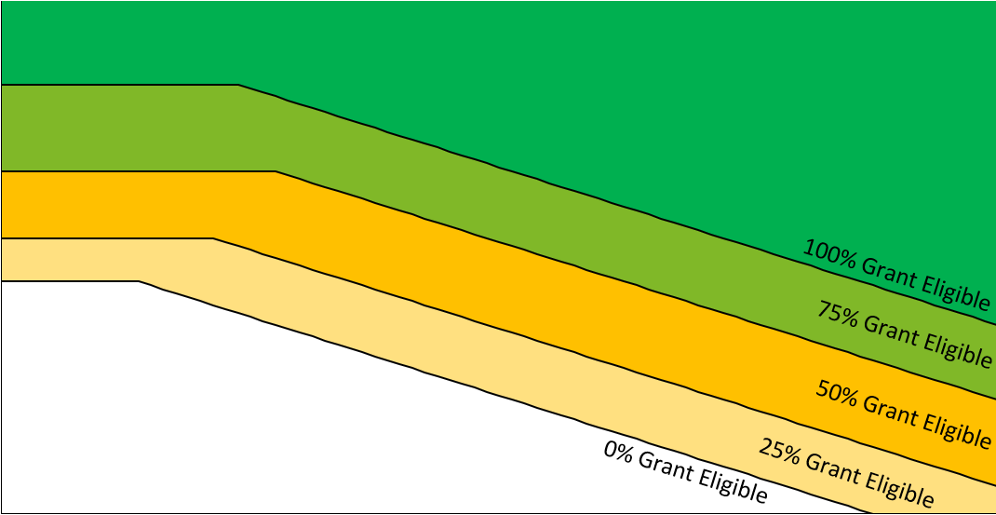
Chart for SRF Principal Forgiveness/SRP Grant Eligibility Determination+
 | Applicant |  | Representative LGU Data
#N/A | #N/A | 0 | 0
Percentage of funding request amount eligible for SRF Principal Forgiveness or SRP grant1:

1Grants and principal forgiveness apply only to projects receiving project purpose points.

1Limit may be different for projects receiving 1.A points.
1Grants and principal forgiveness will be limited to up to $500,000 per applicant per round or the percentage above, whichever is less, unless additional grants/principal forgiveness funds are available.

 |  | +Representative LGU data plotted using Project Cost in Step 4, and project type selection (Water or Wastewater) in Step 5.
 |  | +Graph is truncated: $0-$80 (X-axis), $20-$150 (Y-axis)

 | Please print or scan this affordability calculator in pdf prior to submitting with applications

