Affordability Calculator
NC Division of Water Infrastructure Spring 2023 Affordability Calculator |  |  |  |  | ← Complete data entry cells in yellow
Updated 2/27/2023. This tool can be used by Applicants to determine eligibility for grant/principal forgiveness funding and to complete the affordability calculations in the application for funding.
This tool should also be used with the Project Solicitations for Lead Service Line Replacement funds.
Enter Name of Applicant: |  |  | If not listed in the dropdown menu, simply type in the name of the applicant in the yellow area.

STEP 1: Applicant's Designation and Assessment Criteria Score
Select Applicant from menu: |  |  | If applying for a project with more than one local government unit, select the local government that is either designated as distressed or has the greatest VUR Assessment Criteria score. If not listed in the dropdown menu, type in "Not Listed".
Designated as "Distressed" in accordance with NCGS 159G-45?
Current VUR Assessment Score:
Wholesale-only service provider?

STEP 2: Residential Connections
 |  | How many residential connections does your system contain? |  | Enter number of residential connections for the water system or the wastewater system, depending on your application's project (DW or WW).

STEP 3: Local Government Unit (LGU) Economic Indicators
Enter your local government unit parameters and service area coverage as shown below. Select local government(s) in your service area.
 | LGU #1 | LGU #2 | LGU #3 | LGU #4
Select LGU from menu → |  |  |  |  | Total: |  | State Benchmarks are: | Worse than State Benchmark?
LGU Coverage (% of service area) | 100% |  |  |  | 100%
Population:
Population Change |  |  |  |  |  | <= | 4.48%
Poverty Rate |  |  |  |  |  | >= | 14.0
Median Household Income |  |  |  |  |  | <= | $56,642
Unemployment Rate |  |  |  |  |  | >= | 7.1
Total Appraised Value of Property
Calculated Prop. Val. per Capita |  |  |  |  |  | <= | $125,015
 |  |  |  |  | # of Indicators worse → than State Benchmark

STEP 4: Existing Revenues
Enter the following information below.
Operating RevenuesWater & Sewer:
Total ExpendituresWater&Sewer:
Debt PrincipalWater&Sewer:
InterestWater&Sewer:
Project Cost:
Calculated Operating RatioFuture:

Step 5: Water/Sewer Utility Information |  |  |  | Current monthly bill for 5,000 gallons:
Combined water and sewer provider, or single service? |  |  |  | Water Rate | Sewer Rate
Is your project a water or wastewater project?
"Effective" combined water & sewer bill for 5,000 gallons:

Number of non-residential connections:
Calculated total number of connections:

 | Project cost per connection per month:

Eligibility for State Revolving Fund (SRF) Principal Forgiveness and State Reserve Program Grants (not Viable Utility Reserve funded)
Eligibility is limited by the percentage below, funding request amount, caps on SRF principal forgiveness or SRP grants based on project type, and PF or grant availability.
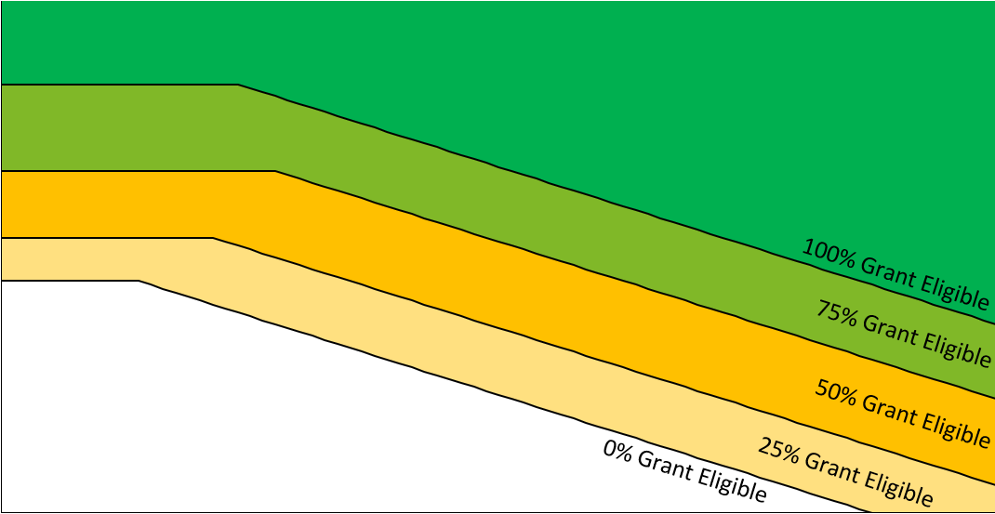
Chart for SRF Principal Forgiveness/SRP Grant Eligibility Determination+
 | Applicant |  | Representative LGU Data
#N/A | #N/A | 0 | 0
Percentage of funding request amount eligible for SRF Principal Forgiveness or SRP grant*:

Complete the steps above.

*Applies only to projects that are receiving project purpose points.

*Limit not applicable to Viable Utility Reserve grants and may be different for projects receiving 1.A or 4.D points.

*SRF principal forgiveness will be limited to up to $500,000 per applicant per round, unless additional funds are available.

*Eligibility for Lead Service Line Replacement funds will be determined in accordance with the Intended Use Plan once approved. Eligibility may be similar to SRF.
 |  | +Representative LGU data plotted using Project Cost in Step 4, and project type selection (Water or Wastewater) in Step 5.
 |  | +Graph is truncated: $0-$80 (X-axis), $20-$150 (Y-axis)

 | Please print or scan this affordability calculator in pdf prior to submitting with applications

