ReportFigures
Section I

Figure I.1 - Map of Service Area
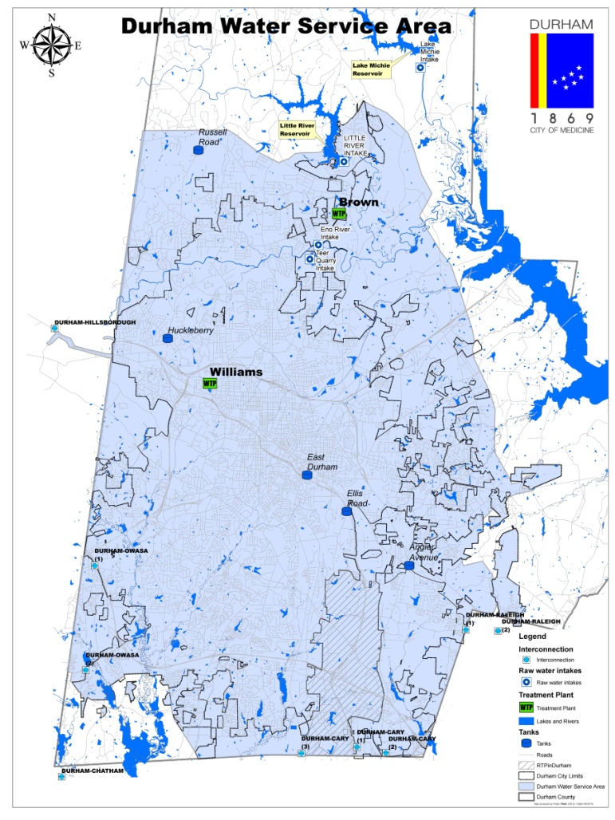

Figure I.X2 - Demand Projections by Sector |  |  |  |  |  | Figure I.X2b | Demand Projection Percentages (Optional)
 | Residential | Commercial | Industrial | Institutional | Distribution System Process | WTP Process | Other Non-Revenue | TOTAL
2010 | 13.24 | 6.62 | 1.31 | 2.73 | 0 | 0.86 | 0.51 | 25.30
2015 | 14.36 | 6.91 | 1.28 | 2.46 |  | 0.95 | 2.02 | 28.00
2020 | 15.47 | 7.19 | 1.24 | 2.19 |  | 1.04 | 3.53 | 30.70
2025 | 16.47 | 7.80 | 1.36 | 2.30 |  | 1.10 | 3.39 | 32.40
2030 | 17.46 | 8.40 | 1.47 | 2.41 |  | 1.16 | 3.24 | 34.10
2035 | 18.42 | 8.95 | 1.58 | 2.52 |  | 1.23 | 3.43 | 36.10
2040 | 19.37 | 9.50 | 1.68 | 2.63 |  | 1.30 | 3.62 | 38.10
2045 | 20.28 | 10.02 | 1.79 | 2.74 |  | 1.36 | 3.80 | 40.00
2050 | 21.19 | 10.53 | 1.89 | 2.84 |  | 1.42 | 3.98 | 41.90
2055 | 22.06 | 11.01 | 1.98 | 2.95 |  | 1.46 | 3.66 | 43.10
2060 | 22.92 | 11.49 | 2.07 | 3.05 |  | 1.51 | 3.33 | 44.40
 | Residential | Commercial | Industrial | Institutional | Distribution System Process | WTP Process | Other Non-Revenue
2010 | 13.24 | 6.62 | 1.31 | 2.73 | 0 | 0.86 | 0.51
2015 | 14.36 | 6.91 | 1.28 | 2.46 |  | 0.95 | 2.02
2020 | 15.47 | 7.19 | 1.24 | 2.19 |  | 1.04 | 3.53
2025 | 16.47 | 7.80 | 1.36 | 2.30 |  | 1.10 | 3.39
2030 | 17.46 | 8.40 | 1.47 | 2.41 |  | 1.16 | 3.24
2035 | 18.42 | 8.95 | 1.58 | 2.52 |  | 1.23 | 3.43
2040 | 19.37 | 9.50 | 1.68 | 2.63 |  | 1.30 | 3.62
2045 | 20.28 | 10.02 | 1.79 | 2.74 |  | 1.36 | 3.80
2050 | 21.19 | 10.53 | 1.89 | 2.84 |  | 1.42 | 3.98
2055 | 22.06 | 11.01 | 1.98 | 2.95 |  | 1.46 | 3.66
2060 | 22.92 | 11.49 | 2.07 | 3.05 |  | 1.51 | 3.33

Section II

 | No set figures. Partners may add figures as they wish to support this section.

Section III

Figure III.1 - Map of Water Sources and Treatment Plants
(Recommended that partners add a map of water sources and treatment plants)

Section IV
 | No set figures. Partners may add figures as they wish to support this section.
Optional | Figure IV.1 - Projected Demand and Need relative to Current Supply.
 |  |  |  | 2010 | 2015 | 2020 | 2025 | 2030 | 2035 | 2040 | 2045 | 2050 | 2055 | 2060
 |  |  | Current Supply | 37.9 | 37.9 | 37.9 | 37.9 | 37.9 | 37.9 | 37.9 | 37.9 | 37.9 | 37.9 | 37.9
 |  |  | Existing Demand | 25.27 | 25.27 | 25.27 | 25.27 | 25.27 | 25.27 | 25.27 | 25.27 | 25.27 | 25.27 | 25.27
 |  |  | Currently Supportable Demand | 0.0 | 2.7 | 5.4 | 7.1 | 8.9 | 10.8 | 12.6 | 12.6 | 12.6 | 12.6 | 12.6
 |  |  | Projected Need | 0.0 | 0.0 | 0.0 | 0.0 | 0.0 | 0.0 | 0.2 | 2.1 | 4.0 | 5.2 | 6.5

Section V

Figure V.1 –Map of Water Supply Source Options |  | (optional map. Re-number if you don't include)

Figure V.2 – Timeline of need versus new water supply for the alternatives |  |  | (This figure shows the timing of additional sources coming online.)

 |  |  |  | 2010 | 2015 | 2020 | 2025 | 2030 | 2035 | 2040 | 2045 | 2050 | 2055 | 2060
 |  |  | Need | 0.0 | 0.0 | 0.0 | 0.0 | 0.0 | 0.0 | 0.2 | 2.1 | 4.0 | 5.2 | 6.5
 |  |  | Alt. 1 | 0 | 0 | 6.5 | 6.5 | 6.5 | 6.5 | 6.5 | 6.5 | 6.5 | 6.5 | 6.5
 |  |  | Alt. 2 | 0 | 0 | 7.4 | 7.4 | 7.4 | 7.4 | 7.4 | 7.4 | 7.4 | 7.4 | 7.4
 |  |  | Alt. 3 | 0 | 0 | 0 | 0 | 12 | 12 | 12 | 12 | 12 | 12 | 12
 |  |  | Alt. 4 | 0 | 0 | 0 | 0 | 26 | 26 | 26 | 26 | 26 | 26 | 26
 |  |  | Alt. 5 | 0 | 0 | 0 | 0 | 11.3 | 11.3 | 11.3 | 11.3 | 11.3 | 11.3 | 11.3

Figures V.X - XX - Source Alternative Figures
 | Add drawings, maps, schematics, photos as necessary to provide more complete descriptions of the Alternatives.

Section VI

 | No set figures. Partners may add figures as they wish to support this section.

Population&Demand Projections
Local Water Supply Plan supplemental information for Jordan Lake Allocation Application
Applicant | Durham
Date | 13-Mar-14

Projections
Type of Population to be Served
 |  | 2010 | 2015 | 2020 | 2025 | 2030 | 2035 | 2040 | 2045 | 2050 | 2055 | 2060
Year-round population |  | 246180 | 266299.5 | 286419 | 307920 | 329421 | 350922 | 372423 | 393924 | 415425 | 436925.5 | 458426
Seasonal Population (if applicable)
Indicate months of seasonal use
 | Jan | Feb | Mar | Apr | May | June | Jul | Aug | Sept | Oct | Nov | Dec

Type of Use (Average Daily Service Area Demand in Million Gallons per Day (MGD) Do not include sales to other systems)
 |  | 2010 | 2015 | 2020 | 2025 | 2030 | 2035 | 2040 | 2045 | 2050 | 2055 | 2060
(1) Residential |  | 13.24 | 14.355 | 15.47 | 16.465 | 17.46 | 18.415 | 19.37 | 20.28 | 21.19 | 22.055 | 22.92

(2) Commercial |  | 6.62 | 6.905 | 7.19 | 7.795 | 8.4 | 8.95 | 9.5 | 10.015 | 10.53 | 11.01 | 11.49

(3) Industrial |  | 1.31 | 1.275 | 1.24 | 1.355 | 1.47 | 1.575 | 1.68 | 1.785 | 1.89 | 1.98 | 2.07

(4) Institutional |  | 2.73 | 2.46 | 2.19 | 2.3 | 2.41 | 2.52 | 2.63 | 2.735 | 2.84 | 2.945 | 3.05

Sub-total |  | 23.900 | 24.995 | 26.090 | 27.915 | 29.740 | 31.460 | 33.180 | 34.815 | 36.450 | 37.990 | 39.530
(5) System Process - Distribution Process | 0.03 | (Included in Other Non-Revenue) | 0.00 | 0.00 | 0.00 | 0.00 | 0.00 | 0.00 | 0.00 | 0.00 | 0.00 | 0.00
System Process - WTP Process |  | 0.86 | 0.95 | 1.04 | 1.10 | 1.16 | 1.23 | 1.30 | 1.36 | 1.42 | 1.46 | 1.51
(6) Other Non-revenue water (Unaccounted-for) | 0.05 | 0.51 | 2.02 | 3.53 | 3.39 | 3.24 | 3.43 | 3.62 | 3.80 | 3.98 | 3.66 | 3.33

(7) Total Service Area Demand |  | 25.27 | 27.97 | 30.66 | 32.40 | 34.14 | 36.12 | 38.10 | 39.97 | 41.85 | 43.11 | 44.37

Sales Commitments |  | 2010 | 2015 | 2020 | 2025 | 2030 | 2035 | 2040 | 2045 | 2050 | 2055 | 2060
Existing Sales Contracts (list buyer and years covered by contract)
#REF!

Existing commitments for additional Future Sales (list buyer)

Total Sales Contracts |  | 0.000 | 0.000 | 0.000 | 0.000 | 0.000 | 0.000 | 0.000 | 0.000 | 0.000 | 0.000 | 0.000
Total System Demand |  | 25.270 | 27.965 | 30.660 | 32.400 | 34.140 | 36.120 | 38.100 | 39.975 | 41.850 | 43.110 | 44.370
 |  | 2010 | 2015 | 2020 | 2025 | 2030 | 2035 | 2040 | 2045 | 2050 | 2055 | 2060

System Demand

Future Sales Contracts that have already been agreed to.
Water Supplied to: |  | Contract Amount and Duration |  |  | Pipe Size | Regular or
System Name | PWSID | MGD | Year Begin | Year End | (inches) | Emergency

Future Supplies List all new supplies or facilities which were under development as of July 1, 2012
Source or Facility Name | PWSID | SW or GW | Sub-Basin | Wat Qual | Expected | Development | Year
 |  |  |  | Classification | Supply | Time | Online

Demand - Supply Comparison (Show all quantities in Million Gallons per Day )
Available Supply , MGD | 2010 | 2015 | 2020 | 2025 | 2030 | 2035 | 2040 | 2045 | 2050 | 2055 | 2060
(1) Existing Surface Water Supply | 37.90 | 37.90 | 37.90 | 37.90 | 37.90 | 37.90 | 37.90 | 37.90 | 37.90 | 37.90 | 37.90
(2) Existing Ground Water Supply
(3) Existing Purchase Contracts | 0.00 | 0.00 | 0.00 | 0.00 | 0.00 | 0.00 | 0.00 | 0.00 | 0.00 | 0.00 | 0.00
(4) Future Supplies | 0.00 | 0.00 | 0.00 | 0.00 | 0.00 | 0.00 | 0.00 | 0.00 | 0.00 | 0.00 | 0.00
(5) Total Available Supply | 37.90 | 37.90 | 37.90 | 37.90 | 37.90 | 37.90 | 37.90 | 37.90 | 37.90 | 37.90 | 37.90
(6) Service Area Demand | 25.27 | 27.97 | 30.66 | 32.40 | 34.14 | 36.12 | 38.10 | 39.97 | 41.85 | 43.11 | 44.37
(7) Existing Sales Contracts | 0.00 | 0.00 | 0.00 | 0.00 | 0.00 | 0.00 | 0.00 | 0.00 | 0.00 | 0.00 | 0.00
(8) Contracts for Future Sales | 0.00 | 0.00 | 0.00 | 0.00 | 0.00 | 0.00 | 0.00 | 0.00 | 0.00 | 0.00 | 0.00
(9) Total Average Daily Demand | 25.27 | 27.97 | 30.66 | 32.40 | 34.14 | 36.12 | 38.10 | 39.97 | 41.85 | 43.11 | 44.37
(10) Demand as Percent of Supply | 67% | 74% | 81% | 85% | 90% | 95% | 101% | 105% | 110% | 114% | 117%

Additional Information for J.L. Allocation
(12) Sales Under Existing Contracts | 0.00 | 0.00 | 0.00 | 0.00 | 0.00 | 0.00 | 0.00 | 0.00 | 0.00 | 0.00 | 0.00
(13) Expected Sales Under Future Contracts | 0.00 | 0.00 | 0.00 | 0.00 | 0.00 | 0.00 | 0.00 | 0.00 | 0.00 | 0.00 | 0.00
(14) Demand in Each Planning Period | 25.27 | 27.97 | 30.66 | 32.40 | 34.14 | 36.12 | 38.10 | 39.97 | 41.85 | 43.11 | 44.37
(15) Supply Deficit (Demand minus Supply) | (12.630) | (9.935) | (7.240) | (5.500) | (3.760) | (1.780) | 0.200 | 2.075 | 3.950 | 5.210 | 6.470

